Reimb. Visitors
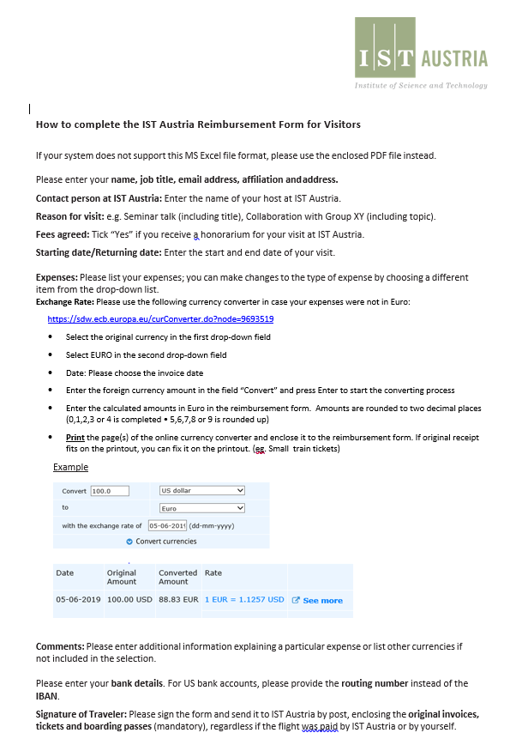
Reimbursement Form for Visitors

To be completed by ISTA | Cost center: |  |  | Project number: | IE1035HQT

Name: |  |  |  |  | Job title:
Email address:
Affiliation and address:
Contact person at ISTA | Georgios Katsaros (Host)
Reason for visit: | Hybrid Quantum Technologies Workshop & Germanium Day 2023
Talk, poster title etc. (if applicable):
Fees agreed: | Yes | No | Starting date: |  | Returning date:

Expenses (incl. VAT) Please enclose original receipts.
Please choose your Expenses | Paid by traveller | Paid by ISTA (non-refundable) |  | Please choose the right Currencies | Exchange Rate | EUR | Comments
3 |  |  |  | 1 |  | 0.00
1 |  |  |  | 1 |  | 0.00
1 |  |  |  | 1 |  | 0.00
1 |  |  |  | 1 |  | 0.00
1 |  |  |  | 1 |  | 0.00
1 |  |  |  | 1 |  | 0.00
1 |  |  |  | 1 |  | 0.00
1 |  |  |  | 1 |  | 0.00
1 |  |  |  | 1 |  | 0.00
1 |  |  |  | 1 |  | 0.00
1 |  |  |  | 1 |  | 0.00
1 |  |  |  | 1 |  | 0.00
1 |  |  |  | 1 |  | 0.00
1 |  |  |  | 1 |  | 0.00
1 |  |  |  | 1 |  | 0.00

Total cost of trip (EURO): | 0.00 |  |  | To be reimbursed (EURO): | 0.00
For exchange rate please use | Currency Converter - ECB Statistical Data Warehouse
Bank details
Account number: |  |  |  |  | Bank Code:
Account holder:
IBAN (USA: Routing number): |  |  |  |  | BIC-/SWIFT-Code:
It is indispensable to enter the exact IBAN (USA: Routing number) and BIC/SWIFT-Code.
Bank name and address:

Invoices addressed to or issued by ISTA will not be reimbursed.

Please send this form with all original invoices to:
Institute of Science and Technology Austria (ISTA)
Accounting
Am Campus 1
A-3400 Klosterneuburg

CC-Officer (ISTA) confirms that this reimbursement complies with all internal guidelines. (Especially Guideline regarding Entertainment Expenses at ISTA Guideline for reimbursement of travel cost and related expenses and Rules for Employees/Professors.)
With my signature, I certify the accuracy in all aspects of this declaration and of the supporting documents, and that these costs are not reimbursed by another organization.

Signature of Traveler |  |  | Signature of CC-Officer (by ISTA) |  |  |  |  | Date

